Run #1
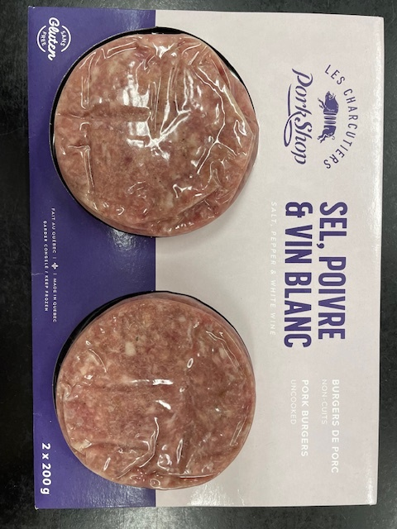
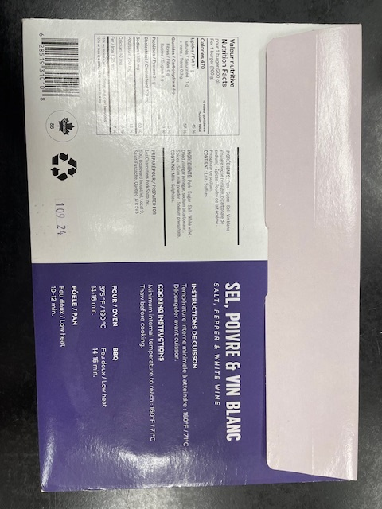
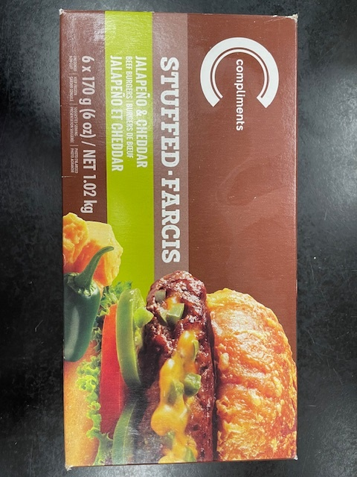
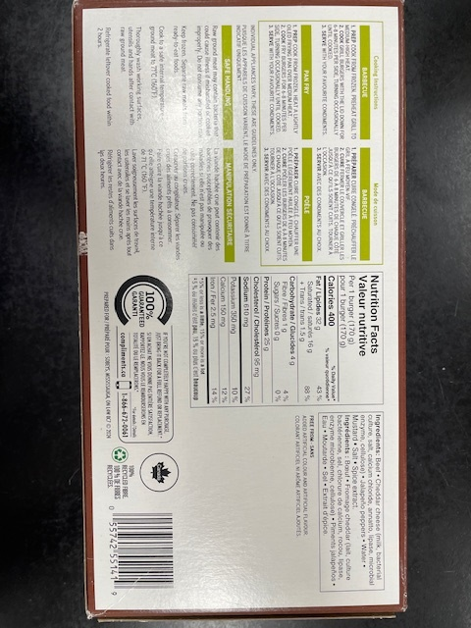
Status : | Approved
Category : | Raw meat |  |  |  |  |  |  |  | Results summary |  |  |  |  |  |  |  |  |  |  |  |  |  | Broth screening qPCR results |  |  |  |  |  |  |  |  |  | Pool screening results |  |  |  |  |  |  |  |  |  |  |  |  | Colony screening result - VT |  |  |  |  |  |  |  |  |  |  |  |  |  |  |  |  |  |  |  |  |  | CF qPCR result
Type : | Frozen
Food items : | Frozen pork burgers; frozen beef burgers (pre screening #1)
Incub. Time : | 24 h |  |  |  |  |  |  |  |  |  |  |  |  |  |  |  |  |  |  |  |  |  |  |  |  |  |  |  |  |  |  |  |  |  |  |  |  |  |  |  |  |  |  |  |  | Run #1 |  |  |  |  |  |  |  |  |  | Run #2
 |  |  |  |  |  |  |  |  |  |  |  | vt qPCR |  |  |  |  |  |  | Confirmation of neg. Samples |  | Sample Status |  | SGIL | Instagene |  | PureGene |  |  |  |  |  |  | SGIL | Pool #1 - Rainbow |  | Pool #2 - MAC-T/Rainbow |  | Pool #3 - Rainbow |  | Pool #4 - Rainbow |  | Pool #5 - Rainbow |  | Pool #6 - Rainbow |  | SGIL | Pool | Colony 1 |  | Colony 2 |  | Colony 3 |  | Colony 4 |  | Colony 5 |  | Colony 6 |  | Colony 7 |  | Colony 8 |  | Colony 9 |  | Colony 10 |  | SGIL | Pool | Colony | CF qPCR
Sample Details |  |  |  |  |  |  |  |  | SGIL | Matrix | Level | Broth - Insta | Broth - Pgene | Pools | Colonies | CF qPCR | VITEK | Method result | Rainbow -4 sweep | MAC-T investig. | Broth screening | Isolation |  | FAM | HEX | FAM | HEX |  |  |  |  |  |  | FAM | HEX | FAM | HEX | FAM | HEX | FAM | HEX | FAM | HEX | FAM | HEX |  |  | FAM | HEX | FAM | HEX | FAM | HEX | FAM | HEX | FAM | HEX | FAM | HEX | FAM | HEX | FAM | HEX | FAM | HEX | FAM | HEX |  |  |  | FAM | HEX
Date of spiking |  |  |  | 2025-04-11 |  |  |  |  | 2025-0009 | Frozen beef burgers | Neg | - | - | - | - | - | n/a | Neg | - | - | TN | TN | 2025-0009 | No Ct | 30.2 | No Ct | 30.3 |  | Mean Ct - Unspiked |  |  |  | 2025-0009 | No Ct | 29.3 | No Ct | 29.3 | No Ct | 29.2 | No Ct | 29.3 | No Ct | 29.6 | No Ct | 29.2 | 2025-0009 |  |  |  |  |  |  |  |  |  |  |  |  |  |  |  |  |  |  |  |  |  | 2025-0009
Analysis start date |  |  |  | 2025-04-28 |  |  |  |  | 2025-0010 | Frozen beef burgers | Neg | - | - | - | - | - | n/a | Neg | - | - | TN | TN | 2025-0010 | No Ct | 30.2 | No Ct | 30.2 |  | Instagene |  | PureGene |  | 2025-0010 | No Ct | 29.0 | No Ct | 29.1 | No Ct | 29.5 | No Ct | 29.2 | No Ct | 29.3 | No Ct | 29.2 | 2025-0010 |  |  |  |  |  |  |  |  |  |  |  |  |  |  |  |  |  |  |  |  |  | 2025-0010
Sample Size |  |  |  | 65 g |  |  |  |  | 2025-0011 | Frozen pork burgers | Neg | - | - | - | - | - | n/a | Neg | - | - | TN | TN | 2025-0011 | No Ct | 29.8 | No Ct | 30.3 |  | FAM | HEX | FAM | HEX | 2025-0011 | No Ct | 29.5 | No Ct | 29.1 | No Ct | 29.3 | No Ct | 29.3 | No Ct | 29.5 | No Ct | 29.3 | 2025-0011 |  |  |  |  |  |  |  |  |  |  |  |  |  |  |  |  |  |  |  |  |  | 2025-0011
Frozen beef burgers background microflora concentration |  |  |  | 2.6E+04 CFU/g |  |  |  |  | 2025-0012 | Frozen pork burgers | Neg | - | - | - | - | - | n/a | Neg | - | - | TN | TN | 2025-0012 | No Ct | 30.2 | No Ct | 30.0 | Beef | n/a | 30.2 | n/a | 30.3 | 2025-0012 | No Ct | 29.3 | No Ct | 29.3 | No Ct | 29.2 | No Ct | 29.1 | No Ct | 29.2 | No Ct | 29.4 | 2025-0012 |  |  |  |  |  |  |  |  |  |  |  |  |  |  |  |  |  |  |  |  |  | 2025-0012
Frozen pork burgers background microflora concentration |  |  |  | 3.9E+02 CFU/g |  |  |  |  | 2025-0013 | Frozen pork burgers | Neg | - | - | - | - | - | n/a | Neg | - | - | TN | TN | 2025-0013 | No Ct | 30.2 | No Ct | 34.4 | Pork | n/a | 30.1 | n/a | 31.6 | 2025-0013 | No Ct | 29.5 | No Ct | 29.2 | No Ct | 29.2 | No Ct | 29.3 | No Ct | 29.4 | No Ct | 29.2 | 2025-0013 |  |  |  |  |  |  |  |  |  |  |  |  |  |  |  |  |  |  |  |  |  | 2025-0013
Method used to determine sample background microflora |  |  |  | MFHPB-18 : PCA, 35°C, 48h |  |  |  |  | 2025-0014 | Frozen beef burgers | 0.8 CFU/g | - | - | - | - | - | n/a | Neg | - | - | TN | TN | 2025-0014 | No Ct | 30.0 | No Ct | 31.7 |  |  |  |  |  | 2025-0014 | No Ct | 29.1 | No Ct | 29.5 | No Ct | 29.3 | No Ct | 29.2 | No Ct | 29.2 | No Ct | 29.3 | 2025-0014 |  |  |  |  |  |  |  |  |  |  |  |  |  |  |  |  |  |  |  |  |  | 2025-0014
 |  |  |  |  |  |  |  |  | 2025-0015 | Frozen beef burgers | 0.8 CFU/g | - | - | - | - | - | n/a | Neg | - | - | TN | TN | 2025-0015 | No Ct | 30.0 | No Ct | 30.1 |  |  |  |  |  | 2025-0015 | No Ct | 29.1 | No Ct | 29.2 | No Ct | 29.3 | No Ct | 29.4 | No Ct | 29.4 | No Ct | 29.1 | 2025-0015 |  |  |  |  |  |  |  |  |  |  |  |  |  |  |  |  |  |  |  |  |  | 2025-0015
Inoculum Details |  |  |  |  |  |  |  |  | 2025-0016 | Frozen beef burgers | 0.8 CFU/g | + | + | + | + | + | n/a | Positive | n/a | n/a | TP | TP | 2025-0016 | 20.2 | 31.5 | 17.4 | 33.3 |  |  |  |  |  | 2025-0016 | 18.4 | 29.4 | 25.0 | 29.1 |  |  |  |  |  |  |  |  | 2025-0016 | 1 | No Ct | 28.4 | 17.9 | 30.4 | No Ct | 28.2 | 18.5 | 29.7 |  |  |  |  |  |  |  |  |  |  |  |  | 2025-0016 | 1 | 2 | 16.1 | 34.2
Strain ID |  |  |  | LAAFC O103-2, O103:H2, vtx1, eae |  |  |  |  | 2025-0017 | Frozen beef burgers | 0.8 CFU/g | - | - | - | - | - | n/a | Neg | - | - | TN | TN | 2025-0017 | No Ct | 30.0 | No Ct | 30.3 |  |  |  |  |  | 2025-0017 | No Ct | 28.8 | No Ct | 29.2 | No Ct | 29.2 | No Ct | 29.6 | No Ct | 29.3 | No Ct | 29.1 | 2025-0017 |  |  |  |  |  |  |  |  |  |  |  |  |  |  |  |  |  |  |  |  |  | 2025-0017
Strain source (time of isolation, source commodity, geographic region of origin) |  |  |  | Beef |  |  |  |  | 2025-0018 | Frozen beef burgers | 0.8 CFU/g | + | + | + | + | + | n/a | Positive | n/a | n/a | TP | TP | 2025-0018 | 16.9 | 32.9 | 13.9 | No Ct |  |  |  |  |  | 2025-0018 | 16.0 | 31.4 | 23.3 | 29.1 |  |  |  |  |  |  |  |  | 2025-0018 | 1 | 30.1 | 28.3 | 28.0 | 28.3 | 27.9 | 28.3 | 30.2 | 28.4 |  |  |  |  |  |  |  |  |  |  |  |  | 2025-0018 | 1 | 1 | 28.2 | 29.1
Concentration of inoculum, volume used to spike: |  |  |  | Target = 1.25 CFU/100 µl; Actual = 0.8 CFU/100 µL |  |  |  |  | 2025-0019 | Frozen beef burgers | 0.8 CFU/g | - | - | - | - | - | n/a | Neg | - | - | TN | TN | 2025-0019 | No Ct | 30.1 | No Ct | 30.2 |  |  |  |  |  | 2025-0019 | No Ct | 29.2 | No Ct | 29.0 | No Ct | 29.2 | No Ct | 29.2 | No Ct | 29.0 | No Ct | 29.1 | 2025-0019 |  |  |  |  |  |  |  |  |  |  |  |  |  |  |  |  |  |  |  |  |  | 2025-0019
Method used to determine spiking concentration: |  |  |  | Plating onto TSA, 20 replicates, 35 °C, 18-24 h |  |  |  |  | 2025-0020 | Frozen beef burgers | 0.8 CFU/g | - | - | - | - | - | n/a | Neg | - | - | TN | TN | 2025-0020 | No Ct | 30.0 | No Ct | 30.2 |  |  |  |  |  | 2025-0020 | No Ct | 29.0 | No Ct | 29.1 | No Ct | 29.0 | No Ct | 29.3 | No Ct | 29.3 | No Ct | 29.1 | 2025-0020 |  |  |  |  |  |  |  |  |  |  |  |  |  |  |  |  |  |  |  |  |  | 2025-0020
Equilibration conditions: |  |  |  | -20°C, 17 days |  |  |  |  | 2025-0021 | Frozen beef burgers | 0.8 CFU/g | + | + | + | + | + | n/a | Positive | n/a | n/a | TP | TP | 2025-0021 | 19.6 | 31.1 | 16.4 | 33.8 |  |  |  |  |  | 2025-0021 | 17.3 | 30.5 | 22.2 | 29.1 |  |  |  |  |  |  |  |  | 2025-0021 | 1 | No Ct | 28.5 | No Ct | 28.3 | No Ct | 28.2 | No Ct | 28.3 | 19.1 | 32.1 | No Ct | 29.5 | 18.6 | 31.4 | No Ct | 29.6 | 19.3 | 31.4 | 20.3 | 32.2 | 2025-0021 | 1 | 5 | 16.4 | 31.4
 |  |  |  |  |  |  |  |  | 2025-0022 | Frozen beef burgers | 0.8 CFU/g | - | - | - | - | - | n/a | Neg | - | - | TN | TN | 2025-0022 | No Ct | 30.2 | No Ct | 30.2 |  |  |  |  |  | 2025-0022 | No Ct | 29.0 | No Ct | 29.3 | No Ct | 28.9 | No Ct | 29.1 | No Ct | 29.2 | No Ct | 29.5 | 2025-0022 |  |  |  |  |  |  |  |  |  |  |  |  |  |  |  |  |  |  |  |  |  | 2025-0022
Was the inoculum stressed? |  |  |  |  |  | No |  |  | 2025-0023 | Frozen beef burgers | 0.8 CFU/g | + | + | + | + | + | n/a | Positive | n/a | n/a | TP | TP | 2025-0023 | 17.7 | 33.5 | 14.1 | No Ct |  |  |  |  |  | 2025-0023 | 17.3 | 30.7 | 22.8 | 29.2 |  |  |  |  |  |  |  |  | 2025-0023 | 1 | 27.9 | 28.2 | 28.5 | 28.2 | 31.2 | 28.3 | 19.2 | 29.7 |  |  |  |  |  |  |  |  |  |  |  |  | 2025-0023 | 1 | 1 | 27.2 | 28.3
Stressing Conditions: |  |  |  | n/a |  |  |  |  | 2025-0024 | Frozen pork burgers | 0.8 CFU/g | + | + | + | + | + | n/a | Positive | n/a | n/a | TP | TP | 2025-0024 | 20.7 | 31.1 | 18.7 | 32.6 |  |  |  |  |  | 2025-0024 | 19.9 | 29.6 | 23.2 | 28.9 |  |  |  |  |  |  |  |  | 2025-0024 | 1 | 26.8 | 28.2 | No Ct | 28.4 | No Ct | 28.4 | No Ct | 28.3 |  |  |  |  |  |  |  |  |  |  |  |  | 2025-0024 | 1 | 1 | 25.3 | 28.6
Stress level: |  |  |  | n/a |  |  |  |  | 2025-0025 | Frozen pork burgers | 0.8 CFU/g | + | + | + | + | + | n/a | Positive | n/a | n/a | TP | TP | 2025-0025 | 23.2 | 30.7 | 22.0 | 31.2 |  |  |  |  |  | 2025-0025 | No Ct | 29.1 | 22.6 | 28.8 |  |  |  |  |  |  |  |  | 2025-0025 | 2 | 21.5 | 29.0 | 29.3 | 28.2 | No Ct | 28.6 | No Ct | 28.3 |  |  |  |  |  |  |  |  |  |  |  |  | 2025-0025 | 2 | 1 | 22.6 | 28.4
How was the stress level determined? (Please include counts and agar choices) |  |  |  | n/a |  |  |  |  | 2025-0026 | Frozen pork burgers | 0.8 CFU/g | + | + | + | + | + | n/a | Positive | n/a | n/a | TP | TP | 2025-0026 | 19.4 | 31.7 | 21.7 | 30.8 |  |  |  |  |  | 2025-0026 | 18.8 | 29.4 | 21.8 | 28.9 |  |  |  |  |  |  |  |  | 2025-0026 | 1 | 18.8 | 29.4 | No Ct | 28.4 | 30.0 | 28.2 | No Ct | 28.1 |  |  |  |  |  |  |  |  |  |  |  |  | 2025-0026 | 1 | 1 | 16.6 | 31.5
 |  |  |  |  |  |  |  |  | 2025-0027 | Frozen pork burgers | 0.8 CFU/g | + | + | + | + | + | n/a | Positive | n/a | n/a | TP | TP | 2025-0027 | 16.5 | 34.1 | 13.8 | No Ct |  |  |  |  |  | 2025-0027 | 17.2 | 30.2 | 23.5 | 28.9 |  |  |  |  |  |  |  |  | 2025-0027 | 1 | 30.6 | 28.1 | 30.1 | 28.2 | 22.2 | 28.3 | 27.7 | 28.1 |  |  |  |  |  |  |  |  |  |  |  |  | 2025-0027 | 1 | 1 | 29.1 | 28.9
Was a Co-Inoculum Used? |  |  |  |  |  | No |  |  | 2025-0028 | Frozen pork burgers | 0.8 CFU/g | - | - | - | - | - | n/a | Neg | - | - | TN | TN | 2025-0028 | No Ct | 30.3 | No Ct | 30.5 |  |  |  |  |  | 2025-0028 | No Ct | 29.0 | No Ct | 28.9 | No Ct | 29.0 | No Ct | 28.9 | No Ct | 28.9 | No Ct | 28.9 | 2025-0028 |  |  |  |  |  |  |  |  |  |  |  |  |  |  |  |  |  |  |  |  |  | 2025-0028
Strain ID of co-inoculum: |  |  |  | n/a |  |  |  |  | 2025-0029 | Frozen pork burgers | 0.8 CFU/g | + | + | + | + | + | n/a | Positive | n/a | n/a | TP | TP | 2025-0029 | 19.7 | 31.5 | 16.3 | 34.3 |  | Mean Ct - Low level |  |  |  | 2025-0029 | 17.1 | 30.2 | 23.0 | 28.9 |  |  |  |  |  |  |  |  | 2025-0029 | 1 | No Ct | 28.4 | 25.5 | 28.1 | No Ct | 28.2 | No Ct | 28.2 |  |  |  |  |  |  |  |  |  |  |  |  | 2025-0029 | 1 | 2 | 23.7 | 27.7
Strain source |  |  |  | n/a |  |  |  |  | 2025-0030 | Frozen pork burgers | 0.8 CFU/g | + | + | + | + | + | n/a | Positive | n/a | n/a | TP | TP | 2025-0030 | 20.3 | 31.4 | 19.6 | 31.4 |  | Instagene |  | PureGene |  | 2025-0030 | 17.6 | 30.2 | 26.4 | 28.7 |  |  |  |  |  |  |  |  | 2025-0030 | 1 | No Ct | 28.2 | No Ct | 28.4 | No Ct | 28.3 | No Ct | 28.5 | 18.2 | 32.1 | 18.82 | 31.5 | No Ct | 29.5 | No Ct | 30.1 | No Ct | 30.1 | 21.3 | 31.8 | 2025-0030 | 1 | 5 | 15.9 | 31.9
Where all spiked samples co-inoculated? |  |  |  | n/a |  |  |  |  | 2025-0031 | Frozen pork burgers | 0.8 CFU/g | + | + | + | + | + | n/a | Positive | n/a | n/a | TP | TP | 2025-0031 | 20.3 | 31.5 | 21.8 | 32.5 |  | FAM | HEX | FAM | HEX | 2025-0031 | 19.2 | 29.4 | 21.9 | 28.8 |  |  |  |  |  |  |  |  | 2025-0031 | 1 | 18.9 | 29.7 | No Ct | 28.3 | No Ct | 28.2 | No Ct | 28.3 |  |  |  |  |  |  |  |  |  |  |  |  | 2025-0031 | 1 | 1 | 16.5 | 30.9
Concentration of inoculum, volume used to spike: |  |  |  | n/a |  |  |  |  | 2025-0032 | Frozen pork burgers | 0.8 CFU/g | + | + | + | + | + | n/a | Positive | n/a | n/a | TP | TP | 2025-0032 | 16.9 | 34.1 | 18.1 | 32.8 | Beef | 18.6 | 30.9 | 15.4 | 31.2 | 2025-0032 | 23.8 | 28.4 | 26.7 | 28.5 |  |  |  |  |  |  |  |  | 2025-0032 | 1 | 28.3 | 28.1 | 20.6 | 28.4 | 22.1 | 28.2 | 27.9 | 28.2 |  |  |  |  |  |  |  |  |  |  |  |  | 2025-0032 | 1 | 1 | 28.1 | 28.6
Stressing conditions (if applicable): |  |  |  | n/a |  |  |  |  | 2025-0033 | Frozen pork burgers | 0.8 CFU/g | + | + | + | + | + | n/a | Positive | n/a | n/a | TP | TP | 2025-0033 | 18.3 | 32.7 | 16.1 | 34.4 | Pork | 19.5 | 31.9 | 18.7 | 32.3 | 2025-0033 | 24.5 | 28.5 | 23.7 | 28.5 |  |  |  |  |  |  |  |  | 2025-0033 | 1 | No Ct | 28.2 | No Ct | 28.4 | 18.3 | 29.5 | 28.5 | 28.1 |  |  |  |  |  |  |  |  |  |  |  |  | 2025-0033 | 1 | 3 | 16.4 | 31.0
Stress level (if applicable): |  |  |  | n/a |  |  |  |  |  |  |  |  |  |  |  |  |  |  |  |  |  |  | CP | 23.6 | 29.9 | 22.1 | 29.8 |  |  |  |  |  | CP | 19.6 | 28.6 | 19.5 | 28.1 |  |  |  |  |  |  |  |  | CP | - | 21.2 | 27.8 |  |  |  |  |  |  |  |  |  |  |  |  |  |  |  |  |  |  | CP | - | - | 19.2 | 28.9
How was the stress level determined? (Please include counts and agar choices) (if applicable) |  |  |  | n/a |  |  |  |  |  |  |  |  |  |  |  |  |  |  |  |  |  |  | CN | No Ct | 30.2 | No ct | 30.2 |  |  |  |  |  | CN | No Ct | 29.1 | No Ct | 28.7 |  |  |  |  |  |  |  |  | NTC | - | No Ct | 29.0 |  |  |  |  |  |  |  |  |  |  |  |  |  |  |  |  |  |  | CN | - | - | No Ct | 29.0
 |  |  |  |  |  |  |  |  |  |  |  |  |  |  |  |  |  |  |  |  |  |  | CS | No Ct | 29.9 | No ct | 30.0 |  |  |  |  |  | NTC | No Ct | 29.1 | No Ct | 28.8 |  |  |  |  |  |  |  |  | Raw data : 20250502_111302_CT036336_VT et CF.pcrd |  |  |  |  |  |  |  |  |  | Raw data : 20250502_160949_CT036336_VT et Cf.pcrd |  |  |  |  |  |  |  |  |  |  |  | NTC | - | - | No Ct | 29.4
PREPARATION OF INOCULUM |  |  |  |  |  |  |  |  |  |  |  |  |  |  |  |  |  |  |  |  |  |  | NTC | No Ct | 30.1 | No ct | 30.0 |  |  |  |  |  | Raw data : 20250501_121615_CT036336_VT et CF.pcrd |  |  |  |  |  |  |  |  |  |  |  |  |  |  |  |  |  |  |  |  |  |  |  |  |  |  |  |  |  |  |  |  |  |  | Raw data : 20250505_102508_CT036336_VT et CF.pcrd
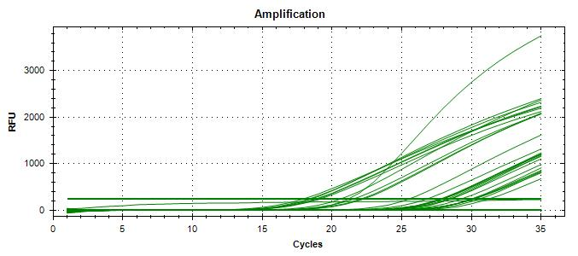
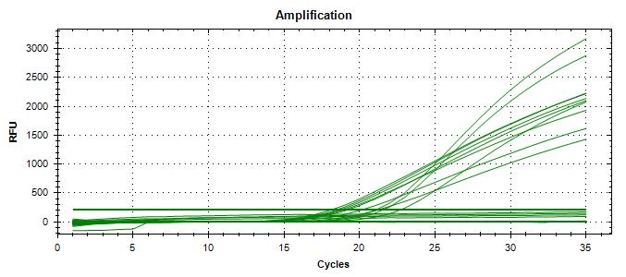
VTEC E. coli LAAFC O103-2 |  |  |  |  |  |  |  |  |  |  |  |  |  |  |  |  |  |  |  |  |  |  | Raw data : 20250429_123440_CT036336_VT et CF.pcrd |  |  |  |  |  |  |  |  |  | Raw data : 20250501_135219_CT036336_VT et CF.pcrd
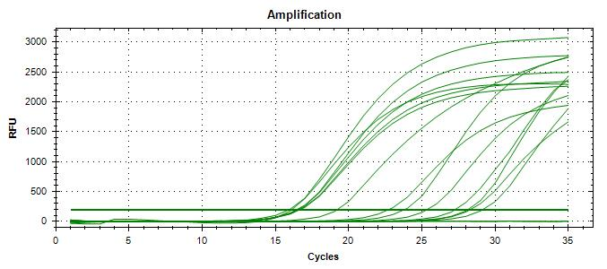
Plating (TSA) : | 2025-04-10 |  |  |  |  |  |  |  | Screening | TP | TN | FP | FN |  | Sensitivity | 100%
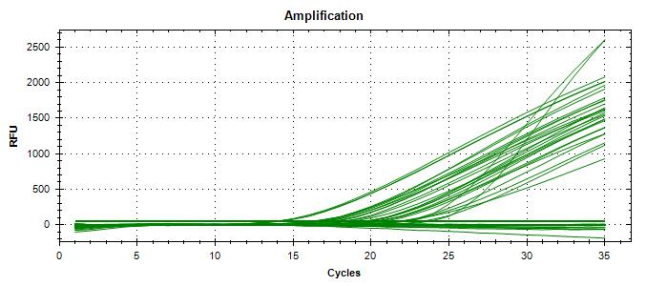
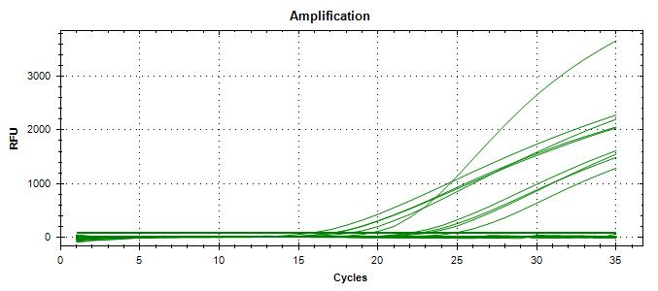
Reading : | 2025-04-11 |  |  |  |  |  |  |  | Unspiked | 0 | 5 | 0 | 0 |  | Specificity | 100%
Volume / plate : | 100 µL |  |  |  |  |  |  |  | Spiked | 13 | 7 | 0 | 0 |  | FN rate | 0%
 |  |  |  |  |  |  |  |  |  | 13 | 12 | 0 | 0 |  | FP rate | 0%
Dilution | Rep 1 | Rep 2 | CFU/mL |  |  |  |  |  |  |  |  |  |  |  | Agreement | 100%
1.0E-04 | > 300 | > 300
1.0E-05 | 236 | 194
1.0E-06 | 28 | 32 | 300 | >> 0.417 mL + 9.6 mL H2Op = 1.25 CFU/100 µL |  |  |  |  | Isolation | TP | TN | FP | FN |  | Sensitivity | 100%
Dilution in bold used for calculations |  |  |  |  |  |  |  |  | Unspiked | 0 | 5 | 0 | 0 |  | Specificity | 100%
 |  |  |  |  |  |  |  |  | Spiked | 13 | 7 | 0 | 0 |  | FN rate | 0%
 |  |  |  |  |  |  |  |  |  | 13 | 12 | 0 | 0 |  | FP rate | 0%
 |  |  |  |  |  |  |  |  |  |  |  |  |  |  | Agreement | 100%

 |  |  |  |  |  |  |  |  |  |  |  |  |  |  |  |  |  |  |  |  |  |  |  |  |  |  |  |  |  |  |  |  |  |  |  |  |  |  |  |  |  |  |  |  |  | 20250502_111302_CT036336_VT et CF.pcrd |  |  |  |  |  |  |  |  |  | 20250502_160949_CT036336_VT et Cf.pcrd |  |  |  |  |  |  |  |  |  |  |  | 20250505_102508_CT036336_VT et CF.pcrd

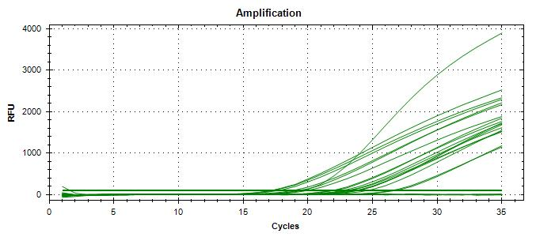
VERIFICATION OF FINAL INOCULUM |  |  |  |  |  |  |  |  |  |  |  |  |  |  |  |  |  |  |  |  |  |  | 20250429_123440_CT036336_VT et CF |  |  |  |  |  |  |  |  |  | 20250501_121615_CT036336_VT et CF.pcrd
VTEC E. coli LAAFC O103-2 |  |  | CFU/plate
Plating (TSA) : | 2025-04-11 |  | 1 | 3 | 4 | 0 | Mean : | 0.8 | << Actual spiking level (target)
Reading : | 2025-04-12 |  | 1 | 0 | 0 | 1 | POS : | 11 | << 55%
Volume / plate : | 100 µL |  | 0 | 0 | 0 | 0 | NEG : | 9 | << 45%
 |  |  | 0 | 1 | 1 | 1
 |  |  | 1 | 1 | 1 | 0

BACKGROUND MICROFLORA (MFHPB-18)
Frozen beef burgers
Plating (PCA) : | 2025-04-28
Reading : | 2025-04-30
Volume / plate : | 1 mL

Dilution | Rep 1 | Rep 2 | CFU/g
1.0E-01 | TNTC | TNTC
1.0E-02 | TNTC | TNTC |  |  |  |  |  |  |  |  |  |  |  |  |  |  |  |  |  |  |  |  |  |  |  |  |  |  |  |  |  |  | 20250501_135219_CT036336_VT et CF.pcrd
1.0E-03 | 22 | 30 | 2.6E+04
1.0E-04 | 1 | 0
1.0E-05 | 0 | 0
1.0E-06 | 0 | 0
1.0E-07 | 0 | 0
Dilution in bold used for calculations

Frozen Pork burgers
Plating (PCA) : | 2025-04-28
Reading : | 2025-04-30
Volume / plate : | 1 mL

Dilution | Rep 1 | Rep 2 | CFU/g
1.0E-01 | 36 | 42 | 3.9E+02
1.0E-02 | 3 | 2
1.0E-03 | 0 | 0
1.0E-04 | 0 | 0
1.0E-05 | 0 | 0
1.0E-06 | 0 | 0
1.0E-07 | 0 | 0
Dilution in bold used for calculations

Run #2
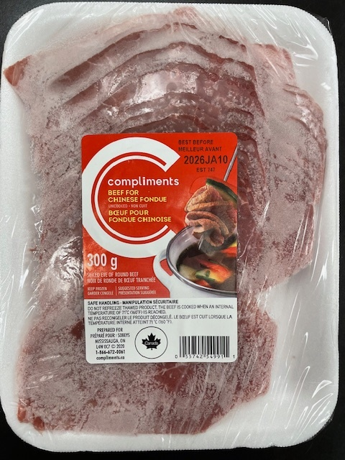
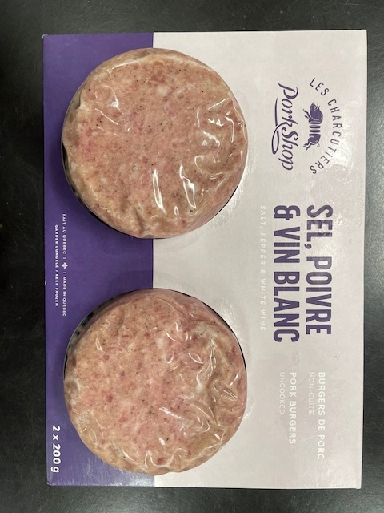
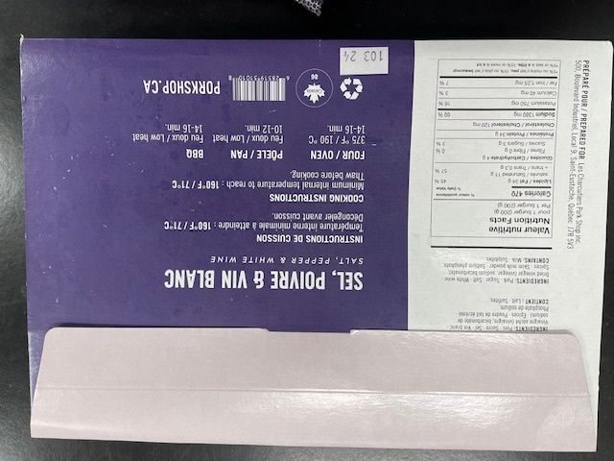
Status : | Approved
Category : | Raw meat |  |  |  |  |  |  |  | Results summary |  |  |  |  |  |  |  |  |  |  |  |  |  | Broth screening qPCR results |  |  |  |  |  |  |  |  |  | Pool screening results |  |  |  |  |  |  |  |  |  |  |  |  | CF qPCR result
Type : | Frozen
Food items : | Frozen minced beef (prescreen #1); frozen pork burgers (prescreen #2)
Incub. Time : | 18 h
 |  |  |  |  |  |  |  |  |  |  |  | vt qPCR |  |  |  |  |  |  | Confirmation of neg. Samples |  | Sample Status |  | SGIL | Instagene |  | PureGene |  |  |  |  |  |  | SGIL | Pool #1 - Rainbow |  | Pool #2 - MAC-T |  | Pool #3 - Rainbow |  | Pool #4 - Rainbow |  | Pool #5 - Rainbow |  | Pool #6 - Rainbow |  | SGIL | Pool | Colony | CF qPCR
Sample Details |  |  |  |  |  |  |  |  | SGIL | Matrix | Level | Broth - Insta | Broth - Pgene | Pools | Colonies | CF qPCR | VITEK | Method result | Rainbow -4 sweep | MAC-T investig. | Broth screening | Isolation |  | FAM | HEX | FAM | HEX |  |  |  |  |  |  | FAM | HEX | FAM | HEX | FAM | HEX | FAM | HEX | FAM | HEX | FAM | HEX |  |  |  | FAM | HEX
Date of spiking |  |  |  | 2025-04-25 |  |  |  |  | 2025-0064 | Frozen minced beef | Neg | - | - | n/a | n/a | n/a | n/a | Neg | n/a | n/a | TN | TN | 2025-0064 | No Ct | 30.5 | No Ct | 30.1 |  | Mean Ct - Unspiked |  |  |  | 2025-0064 |  |  |  |  |  |  |  |  |  |  |  |  | 2025-0064
Analysis start date |  |  |  | 2025-05-12 |  |  |  |  | 2025-0065 | Frozen minced beef | Neg | - | - | n/a | n/a | n/a | n/a | Neg | n/a | n/a | TN | TN | 2025-0065 | No Ct | 30.4 | No Ct | 29.9 |  | Instagene |  | PureGene |  | 2025-0065 |  |  |  |  |  |  |  |  |  |  |  |  | 2025-0065
Sample Size |  |  |  | 65 g |  |  |  |  | 2025-0066 | Frozen pork burgers | Neg | - | - | - | n/a | n/a | n/a | Neg | - | - | TN | TN | 2025-0066 | No Ct | 30.5 | No Ct | 30.4 |  | FAM | HEX | FAM | HEX | 2025-0066 | No Ct | 28.7 | No Ct | 28.9 | No Ct | 29.0 | No Ct | 28.9 | No Ct | 29.1 | No Ct | 29.0 | 2025-0066
Frozen minced beef background microflora concentration |  |  |  | < 5 CFU/g |  |  |  |  | 2025-0067 | Frozen pork burgers | Neg | - | - | - | n/a | n/a | n/a | Neg | - | - | TN | TN | 2025-0067 | No Ct | 30.7 | No Ct | 30.5 | Beef | n/a | 30.5 | n/a | 30.1 | 2025-0067 | No Ct | 28.9 | No Ct | 29.0 | No Ct | 28.9 | No Ct | 29.0 | No Ct | 29.0 | No Ct | 28.9 | 2025-0067
Frozen pork burgers background microflora concentration |  |  |  | 1.1E+02 CFU/g |  |  |  |  | 2025-0068 | Frozen pork burgers | Neg | - | - | - | n/a | n/a | n/a | Neg | - | - | TN | TN | 2025-0068 | No Ct | 30.5 | No Ct | 30.7 | Pork | n/a | 30.6 | n/a | 30.6 | 2025-0068 | No Ct | 29.0 | No Ct | 28.9 | No Ct | 28.7 | No Ct | 29.0 | No Ct | 29.0 | No Ct | 29.0 | 2025-0068
Method used to determine sample background microflora |  |  |  | MFHPB-18 : PCA, 35°C, 48h |  |  |  |  | 2025-0069 | Frozen minced beef | 9.3 CFU/g | + | + | + | + | + | n/a | Positive | n/a | n/a | TP | TP | 2025-0069 | 17.4 | 33.8 | 15.3 | No Ct |  |  |  |  |  | 2025-0069 | 27.6 | 29.0 | 33.4 | 28.7 |  |  |  |  |  |  |  |  | 2025-0069 | 2 | 1 | 18.1 | 28.8
 |  |  |  |  |  |  |  |  | 2025-0070 | Frozen minced beef | 9.3 CFU/g | + | + | + | + | + | n/a | Positive | n/a | n/a | TP | TP | 2025-0070 | 17.1 | 34.1 | 15.0 | No Ct |  |  |  |  |  | 2025-0070 | 23.4 | 28.8 | 29.8 | 29.0 |  |  |  |  |  |  |  |  | 2025-0070 | 2 | 1 | 16.7 | 29.4
Inoculum Details |  |  |  |  |  |  |  |  | 2025-0071 | Frozen minced beef | 9.3 CFU/g | + | + | + | + | + | n/a | Positive | n/a | n/a | TP | TP | 2025-0071 | 17.5 | 34.2 | 17.9 | 33.2 |  |  |  |  |  | 2025-0071 | 28.1 | 28.6 | 28.4 | 28.8 |  |  |  |  |  |  |  |  | 2025-0071 | 2 | 1 | 17.0 | 28.7
Strain ID |  |  |  | LAAFC O103-2, O103:H2, vtx1, eae |  |  |  |  | 2025-0072 | Frozen minced beef | 9.3 CFU/g | + | + | + | + | + | n/a | Positive | n/a | n/a | TP | TP | 2025-0072 | 17.4 | 33.6 | 15.2 | No Ct |  |  |  |  |  | 2025-0072 | 27.0 | 28.8 | 28.3 | 28.8 |  |  |  |  |  |  |  |  | 2025-0072 | 2 | 1 | 18.6 | 28.1
Strain source (time of isolation, source commodity, geographic region of origin) |  |  |  | Beef |  |  |  |  | 2025-0073 | Frozen minced beef | 9.3 CFU/g | + | + | + | + | + | n/a | Positive | n/a | n/a | TP | TP | 2025-0073 | 17.4 | 33.6 | 15.3 | No Ct |  |  |  |  |  | 2025-0073 | 27.2 | 28.7 | 31.2 | 28.8 |  |  |  |  |  |  |  |  | 2025-0073 | 2 | 1 | 17.5 | 28.4
Concentration of inoculum, volume used to spike: |  |  |  | Target = 10 CFU/100 µl; Actual = 9.3 CFU/100 µL |  |  |  |  | 2025-0074 | Frozen minced beef | 9.3 CFU/g | + | + | + | + | + | n/a | Positive | n/a | n/a | TP | TP | 2025-0074 | 17.9 | 33.0 | 18.4 | 32.2 |  |  |  |  |  | 2025-0074 | 27.4 | 28.9 | 28.0 | 28.8 |  |  |  |  |  |  |  |  | 2025-0074 | 2 | 1 | 17.5 | 28.3
Method used to determine spiking concentration: |  |  |  | Plating onto TSA, 20 replicates, 35 °C, 18-24 h |  |  |  |  | 2025-0075 | Frozen minced beef | 9.3 CFU/g | + | + | + | + | + | n/a | Positive | n/a | n/a | TP | TP | 2025-0075 | 17.2 | 33.5 | 15.7 | No Ct |  |  |  |  |  | 2025-0075 | 24.1 | 29.1 | 28.6 | 28.8 |  |  |  |  |  |  |  |  | 2025-0075 | 2 | 1 | 18.1 | 28.2
Equilibration conditions: |  |  |  | -20°C, 17 days |  |  |  |  | 2025-0076 | Frozen minced beef | 9.3 CFU/g | + | + | + | + | + | n/a | Positive | n/a | n/a | TP | TP | 2025-0076 | 17.3 | 33.2 | 18.9 | 32.0 |  |  |  |  |  | 2025-0076 | 22.4 | 29.1 | 28.3 | 28.9 |  |  |  |  |  |  |  |  | 2025-0076 | 2 | 1 | 20.2 | 28.3
 |  |  |  |  |  |  |  |  | 2025-0077 | Frozen minced beef | 9.3 CFU/g | + | + | + | + | + | n/a | Positive | n/a | n/a | TP | TP | 2025-0077 | 17.7 | 33.3 | 15.6 | No Ct |  |  |  |  |  | 2025-0077 | 27.6 | 28.7 | 28.1 | 28.7 |  |  |  |  |  |  |  |  | 2025-0077 | 2 | 1 | 23.4 | 27.3
Was the inoculum stressed? |  |  |  |  |  | No |  |  | 2025-0078 | Frozen minced beef | 9.3 CFU/g | + | + | + | + | + | n/a | Positive | n/a | n/a | TP | TP | 2025-0078 | 19.2 | 32.2 | 17.4 | 33.5 |  |  |  |  |  | 2025-0078 | 27.0 | 28.5 | 29.1 | 28.7 |  |  |  |  |  |  |  |  | 2025-0078 | 2 | 1 | 17.4 | 28.6
Stressing Conditions: |  |  |  | n/a |  |  |  |  | 2025-0079 | Frozen pork burgers | 9.3 CFU/g | + | + | + | + | + | n/a | Positive | n/a | n/a | TP | TP | 2025-0079 | 22.0 | 31.6 | 26.4 | 31.5 |  |  |  |  |  | 2025-0079 | No Ct | 28.9 | 23.4 | 29.0 |  |  |  |  |  |  |  |  | 2025-0079 | 2 | 1 | 18.6 | 27.9
Stress level: |  |  |  | n/a |  |  |  |  | 2025-0080 | Frozen pork burgers | 9.3 CFU/g | + | + | + | + | + | n/a | Positive | n/a | n/a | TP | TP | 2025-0080 | 22.9 | 31.0 | 27.2 | 31.0 |  |  |  |  |  | 2025-0080 | No Ct | 29.1 | 22.5 | 28.7 |  |  |  |  |  |  |  |  | 2025-0080 | 2 | 1 | 17.3 | 28.9
How was the stress level determined? (Please include counts and agar choices) |  |  |  | n/a |  |  |  |  | 2025-0081 | Frozen pork burgers | 9.3 CFU/g | + | + | + | + | + | n/a | Positive | n/a | n/a | TP | TP | 2025-0081 | 23.3 | 30.8 | 25.7 | 30.8 |  |  |  |  |  | 2025-0081 | No Ct | 28.8 | 22.1 | 28.8 |  |  |  |  |  |  |  |  | 2025-0081 | 2 | 1 | 18.8 | 27.6
 |  |  |  |  |  |  |  |  | 2025-0082 | Frozen pork burgers | 9.3 CFU/g | + | + | + | + | + | n/a | Positive | n/a | n/a | TP | TP | 2025-0082 | 24.2 | 30.5 | 28.5 | 30.9 |  |  |  |  |  | 2025-0082 | No Ct | 28.8 | 26.6 | 28.5 |  |  |  |  |  |  |  |  | 2025-0082 | 2 | 1 | 17.0 | 28.3
Was a Co-Inoculum Used? |  |  |  |  |  | No |  |  | 2025-0083 | Frozen pork burgers | 9.3 CFU/g | + | + | + | + | + | n/a | Positive | n/a | n/a | TP | TP | 2025-0083 | 23.5 | 30.4 | 24.9 | 30.6 |  |  |  |  |  | 2025-0083 | No Ct | 28.8 | 23.6 | 28.7 |  |  |  |  |  |  |  |  | 2025-0083 | 2 | 1 | 25.9 | 28.0
Strain ID of co-inoculum: |  |  |  | n/a |  |  |  |  | 2025-0084 | Frozen pork burgers | 9.3 CFU/g | + | + | + | + | + | n/a | Positive | n/a | n/a | TP | TP | 2025-0084 | 26.0 | 30.2 | 25.0 | 30.2 |  | Mean Ct - Low level |  |  |  | 2025-0084 | No Ct | 29.0 | 26.7 | 28.7 |  |  |  |  |  |  |  |  | 2025-0084 | 2 | 2 | 21.9 | 27.7
Strain source |  |  |  | n/a |  |  |  |  | 2025-0085 | Frozen pork burgers | 9.3 CFU/g | + | + | + | + | + | n/a | Positive | n/a | n/a | TP | TP | 2025-0085 | 27.4 | 30.3 | 24.9 | 30.5 |  | Instagene |  | PureGene |  | 2025-0085 | No Ct | 28.8 | 23.1 | 28.8 |  |  |  |  |  |  |  |  | 2025-0085 | 2 | 1 | 17.4 | 29.1
Where all spiked samples co-inoculated? |  |  |  | n/a |  |  |  |  | 2025-0086 | Frozen pork burgers | 9.3 CFU/g | + | + | + | + | + | n/a | Positive | n/a | n/a | TP | TP | 2025-0086 | 26.8 | 30.3 | 23.4 | 30.8 |  | FAM | HEX | FAM | HEX | 2025-0086 | No Ct | 29.0 | 24.2 | 28.4 |  |  |  |  |  |  |  |  | 2025-0086 | 2 | 1 | 26.7 | 28.1
Concentration of inoculum, volume used to spike: |  |  |  | n/a |  |  |  |  | 2025-0087 | Frozen pork burgers | 9.3 CFU/g | + | + | + | + | + | n/a | Positive | n/a | n/a | TP | TP | 2025-0087 | 23.7 | 30.9 | 24.1 | 30.7 | Beef | 17.6 | 33.4 | 16.5 | 32.7 | 2025-0087 | 20.8 | 29.1 | 23.2 | 28.9 |  |  |  |  |  |  |  |  | 2025-0087 | 2 | 2 | 23.4 | 27.4
Stressing conditions (if applicable): |  |  |  | n/a |  |  |  |  | 2025-0088 | Frozen pork burgers | 9.3 CFU/g | + | + | + | + | + | n/a | Positive | n/a | n/a | TP | TP | 2025-0088 | 30.0 | 29.8 | 25.4 | 31.0 | Pork | 25.0 | 30.6 | 25.6 | 30.8 | 2025-0088 | 22.4 | 29.0 | 24.8 | 29.0 |  |  |  |  |  |  |  |  | 2025-0088 | 2 | 1 | 26.0 | 28.1
Stress level (if applicable): |  |  |  | n/a |  |  |  |  |  |  |  |  |  |  |  |  |  |  |  |  |  |  | CP | 25.9 | 29.9 | 20.2 | 30.0 |  |  |  |  |  | CP | 16.5 | 29.1 | 19.2 | 28.4 |  |  |  |  |  |  |  |  | CP | - | - | 16.7 | 28.7
How was the stress level determined? (Please include counts and agar choices) (if applicable) |  |  |  | n/a |  |  |  |  |  |  |  |  |  |  |  |  |  |  |  |  |  |  | CN | No Ct | 30.1 | No Ct | 30.6 |  |  |  |  |  | CN | No Ct | 28.8 | No Ct | 28.9 |  |  |  |  |  |  |  |  | CN | - | - | No Ct | 28.5
 |  |  |  |  |  |  |  |  |  |  |  |  |  |  |  |  |  |  |  |  |  |  | CS | No Ct | 29.9 | No Ct | 29.6 |  |  |  |  |  | NTC | No Ct | 29.2 | No Ct | 29.4 |  |  |  |  |  |  |  |  | NTC | - | - | No Ct | 28.4
PREPARATION OF INOCULUM |  |  |  |  |  |  |  |  |  |  |  |  |  |  |  |  |  |  |  |  |  |  | NTC | No Ct | 30.5 | No Ct | 29.5 |  |  |  |  |  | Raw data : 20250515_111641_CT036336_VT et CF.pcrd |  |  |  |  |  |  |  |  |  |  |  |  | Raw data : 20250521_105749_CT036336_VT et CF.pcrd
VTEC E. coli LAAFC O103-2 |  |  |  |  |  |  |  |  |  |  |  |  |  |  |  |  |  |  |  |  |  |  | Raw data : 20250513_123828_CT036336_VT et CF.pcrd
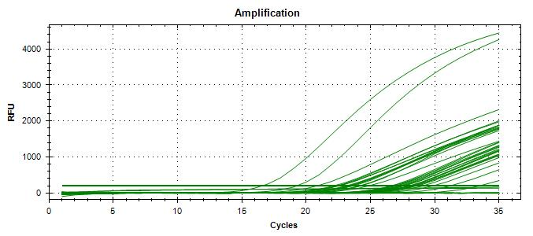
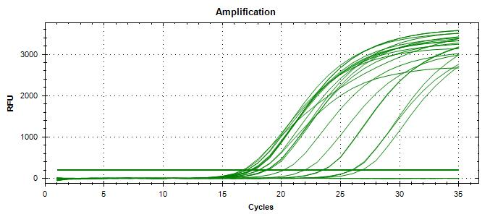
Plating (TSA) : | 2025-04-24 |  |  |  |  |  |  |  | Screening | TP | TN | FP | FN |  | Sensitivity | 100%
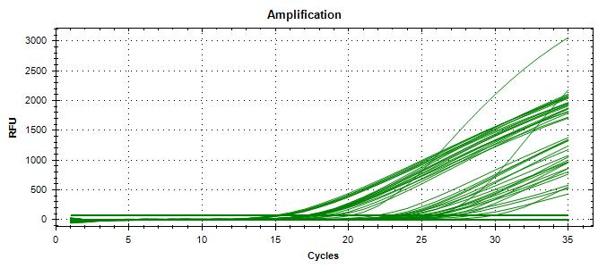
Reading : | 2025-04-25 |  |  |  |  |  |  |  | Unspiked | 0 | 5 | 0 | 0 |  | Specificity | 100%
Volume / plate : | 100 µL |  |  |  |  |  |  |  | Spiked | 20 | 0 | 0 | 0 |  | FN rate | 0%
 |  |  |  |  |  |  |  |  |  | 20 | 5 | 0 | 0 |  | FP rate | 0%
Dilution | Rep 1 | Rep 2 | CFU/mL |  |  |  |  |  |  |  |  |  |  |  | Agreement | 100%
1.0E-04 | >300 | >300
Beef
1.0E-05 | 128 | 167 | 1475 | >> 0.678 mL + 9.3 mL H2Op = 10 CFU/100 µL
1.0E-06 | 24 | 19 |  |  |  |  |  |  | Isolation | TP | TN | FP | FN |  | Sensitivity | 100%
Dilution in bold used for calculations |  |  |  |  |  |  |  |  | Unspiked | 0 | 5 | 0 | 0 |  | Specificity | 100%
Pork
 |  |  |  |  |  |  |  |  | Spiked | 20 | 0 | 0 | 0 |  | FN rate | 0%
 |  |  |  |  |  |  |  |  |  | 20 | 5 | 0 | 0 |  | FP rate | 0%
 |  |  |  |  |  |  |  |  |  |  |  |  |  |  | Agreement | 100%

 |  |  |  |  |  |  |  |  |  |  |  |  |  |  |  |  |  |  |  |  |  |  |  |  |  |  |  |  |  |  |  |  | 20250515_111641_CT036336_VT et CF.pcrd |  |  |  |  |  |  |  |  |  |  |  |  | Raw data : 20250521_105749_CT036336_VT et CF
VERIFICATION OF FINAL INOCULUM |  |  |  |  |  |  |  |  |  |  |  |  |  |  |  |  |  |  |  |  |  |  | 20250513_123828_CT036336_VT et CF.pcrd
VTEC E. coli LAAFC O103-2 |  |  | CFU/plate
Plating (TSA) : | 2025-04-25 |  | 10 | 16 | 7 | 8 | Mean : | 9.3 | << Actual spiking level (target)
Reading : | 2025-04-26 |  | 12 | 11 | 11 | 8 | POS : | 20 | << 100%
Volume / plate : | 100 µL |  | 6 | 4 | 6 | 9 | NEG : | 0 | << 0%
 |  |  | 8 | 8 | 8 | 12
 |  |  | 6 | 11 | 8 | 17

BACKGROUND MICROFLORA (MFHPB-18)
Frozen minced beef
Plating (PCA) :
Reading :
Volume / plate : | 1 mL

Dilution | Rep 1 | Rep 2 | CFU/g
1.0E-01 | 0 | 0 | < 5
1.0E-02 | 0 | 0
1.0E-03 | 0 | 0
1.0E-04 | 0 | 0
1.0E-05 | 0 | 0
1.0E-06 | 0 | 0
1.0E-07 | 0 | 0
Dilution in bold used for calculations

Frozen Pork burgers
Plating (PCA) :
Reading :
Volume / plate : | 1 mL

Dilution | Rep 1 | Rep 2 | CFU/g
1.0E-01 | 7 | 15 | 1.1E+02
1.0E-02 | 2 | 0
1.0E-03 | 0 | 0
1.0E-04 | 0 | 0
1.0E-05 | 0 | 0
1.0E-06 | 0 | 0
1.0E-07 | 0 | 0
Dilution in bold used for calculations

Investigation Run #2
Plate Sweeps

SGIL | MAC-T (-1) |  | Rainbow (-4)
 | FAM | HEX | FAM | HEX
2025-0064
2025-0065
2025-0066 | No Ct | 30.9 | No Ct | 30.7
2025-0067 | No Ct | 30.7 | No Ct | 30.8
2025-0068 | No Ct | 30.8 | No Ct | 30.9
2025-0069
2025-0070
2025-0071
2025-0072
2025-0073
2025-0074
2025-0075
2025-0076
2025-0077
2025-0078
2025-0079
2025-0080
2025-0081
2025-0082
2025-0083
2025-0084
2025-0085
2025-0086
2025-0087
2025-0088
CP | 19.2 | 30.1
CN | No Ct | 30.0
CS | No Ct | 29.6
NTC | No Ct | 30.4
Raw data : 20250516_105908_CT036336_VT et CF.pcrd

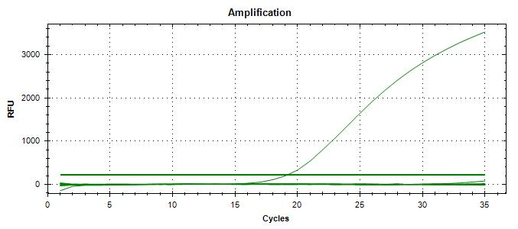

20250502_160949_CT360336_VT et CF.pcrd (also includes curves from individual colonies)

Pre sreening #1
Pre-screening for natural contamination

SCREENING PROTOCOL :
- 5 x 65 g for each frozen meat item + 585 mL mTSBp | 2025-03-02
- After 3 hrs at 42°C, add Cefsulodin/Vancomycin and Bile salts | 2025-03-02
- Continue incubation at 42°C until total of 20 h | 2025-03-03
- Instagene extraction + vt qPCR detection | 2025-03-03

Samples 1 to 5
 |  |  |  |  | vt qPCR
 |  | # | Matrix | Level | FAM | HEX
 |  | 1 | Frozen pork burgers | Neg | No Ct | 31.1
 |  | 2 | Frozen pork burgers | Neg | No Ct | 30.8
 |  | 3 | Frozen pork burgers | Neg | No Ct | 30.9
 |  | 4 | Frozen pork burgers | Neg | No Ct | 30.4
 |  | 5 | Frozen pork burgers | Neg | No Ct | 30.8
 |  | Raw data : 20250403_112003_CT036336_VT et CF.pcrd

 |  | >> No natural contamination detected
 |  | >> Used in Run #4

 |  |  |  |  | vt qPCR
 |  | # | Matrix | Level | FAM | HEX
 |  | 6 | Frozen beef burgers | Neg | No Ct | 30.6
 |  | 7 | Frozen beef burgers | Neg | No Ct | 30.7
 |  | 8 | Frozen beef burgers | Neg | No Ct | 30.8
 |  | 9 | Frozen beef burgers | Neg | No Ct | 30.8
 |  | 10 | Frozen beef burgers | Neg | No Ct | 30.7
 |  | Raw data : 20250403_112003_CT036336_VT et CF.pcrd

 |  | >> No natural contamination detected
 |  | >> Used in Run #4

Samples 6 to 10
 |  |  |  |  | vt qPCR
 |  | # | Matrix | Level | FAM | HEX
 |  | 11 | Frozen beef, chinese fondue | Neg | No Ct | 30.7
 |  | 12 | Frozen beef, chinese fondue | Neg | No Ct | 30.7
 |  | 13 | Frozen beef, chinese fondue | Neg | No Ct | 30.6
 |  | 14 | Frozen beef, chinese fondue | Neg | No Ct | 30.8
 |  | 15 | Frozen beef, chinese fondue | Neg | No Ct | 30.8
 |  | Raw data : 20250403_112003_CT036336_VT et CF.pcrd

 |  | >> No natural contamination detected
 |  | >> Used in Run #5

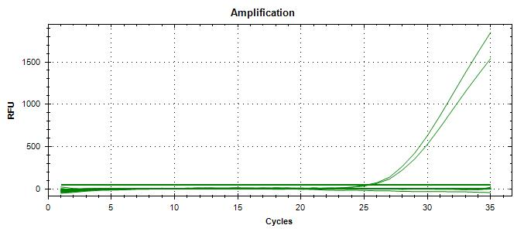

Samples 11 to 15

 |  | Raw data : 20250403_112003_CT036336_VT et CF.pcrd

